Sheet1
Personal Work Log

Nikkolas Diehl - 16945724

Total Hours Spent on the Computer Graphics Assignement 1: 6.2 |  |  |  |  |  | Number of Logs: 3

Date | Hours | Difficulty with task |  |  | What did I learn | Personal Reflection Of Events During This Time
 |  | Easy | Moderate | Hard
2019-03-01 | 1 |  |  |  | Texture mapping and started some ideas about bitmap bump maping | Started the project and got basic files working. Started working on the terrain but it wasn't working

2019-05-03 | 0.2 |  |  |  | __ | 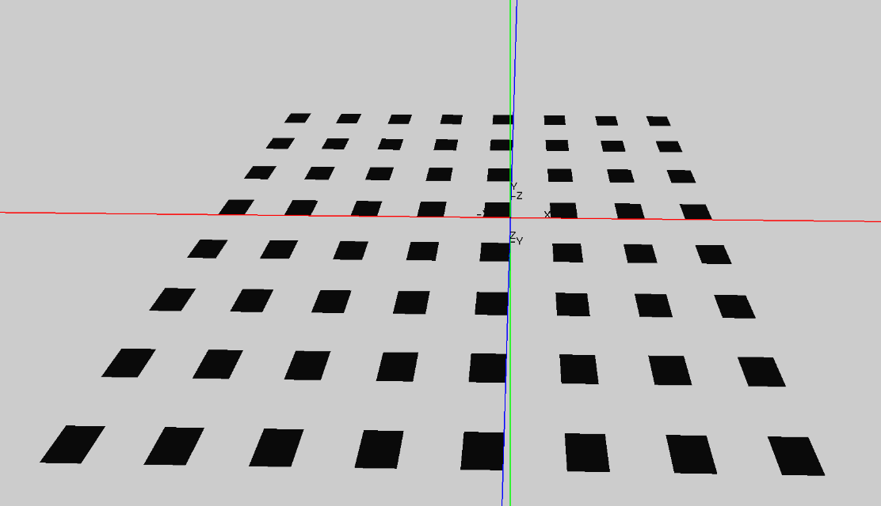 Started some very basic work on the terrain. Got it to display a little but but didn't have much time to work on it today.

2019-05-05 | 5 |  |  |  | __ | 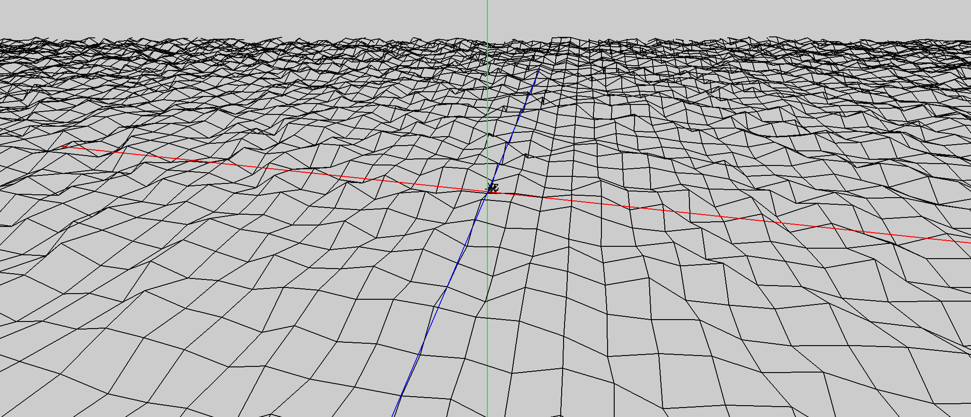 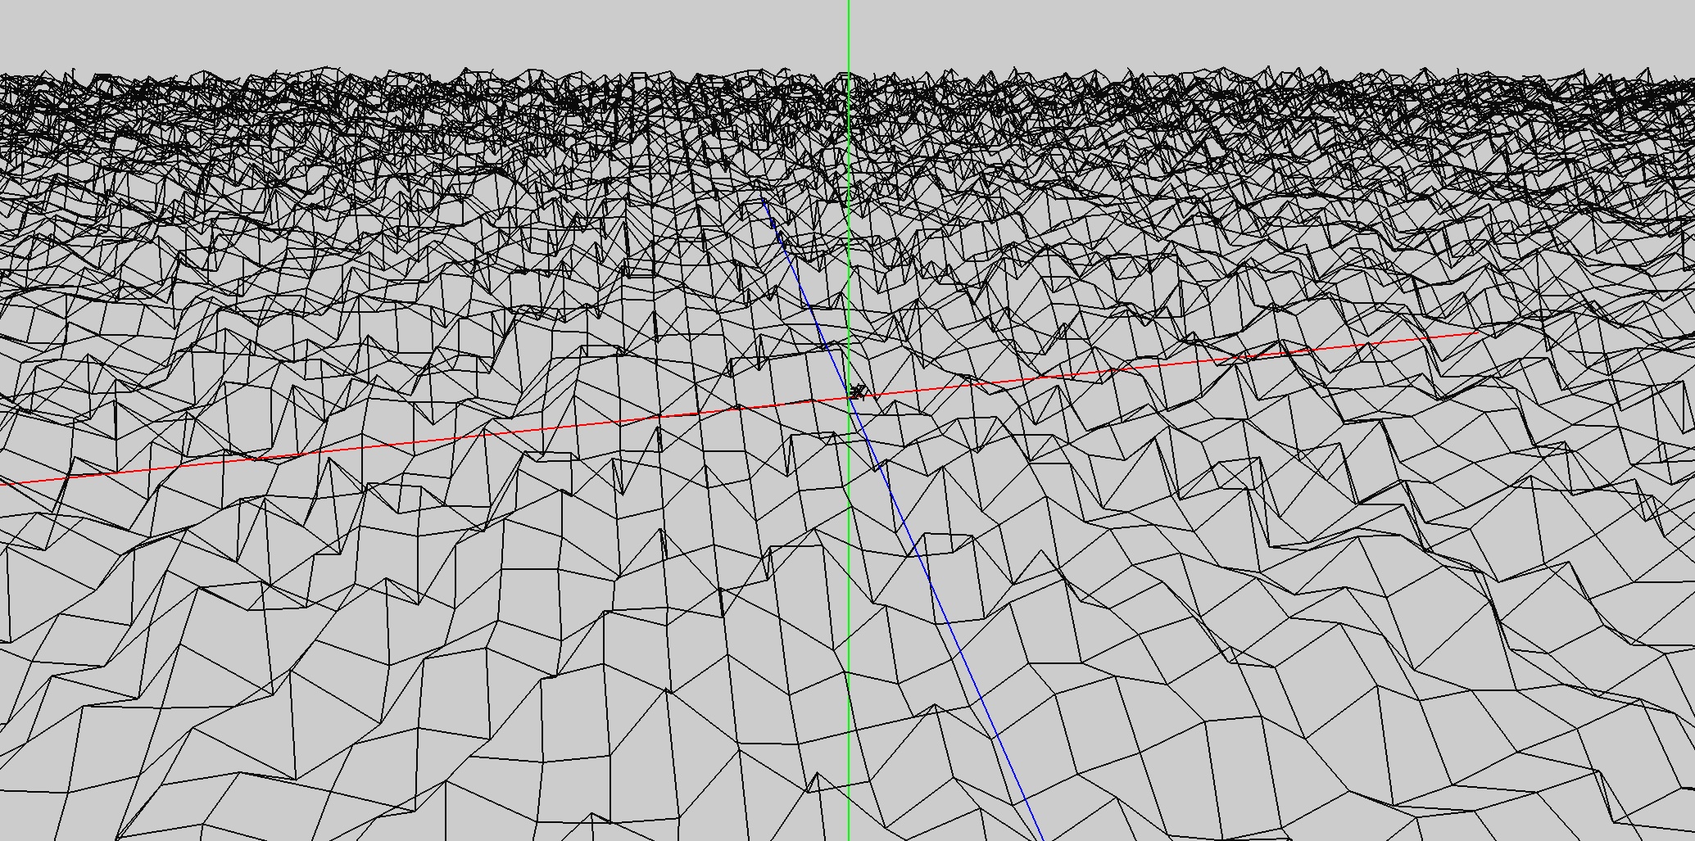 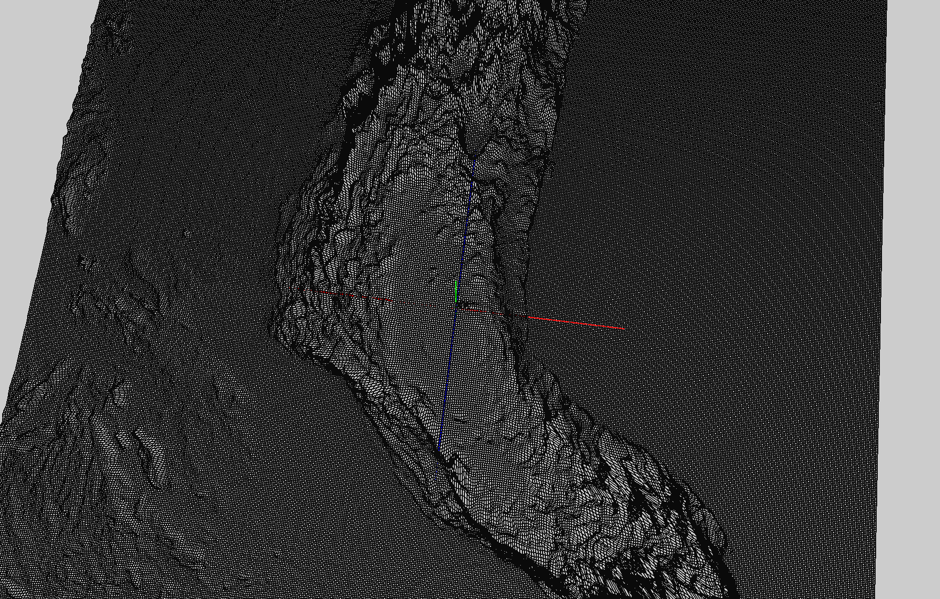 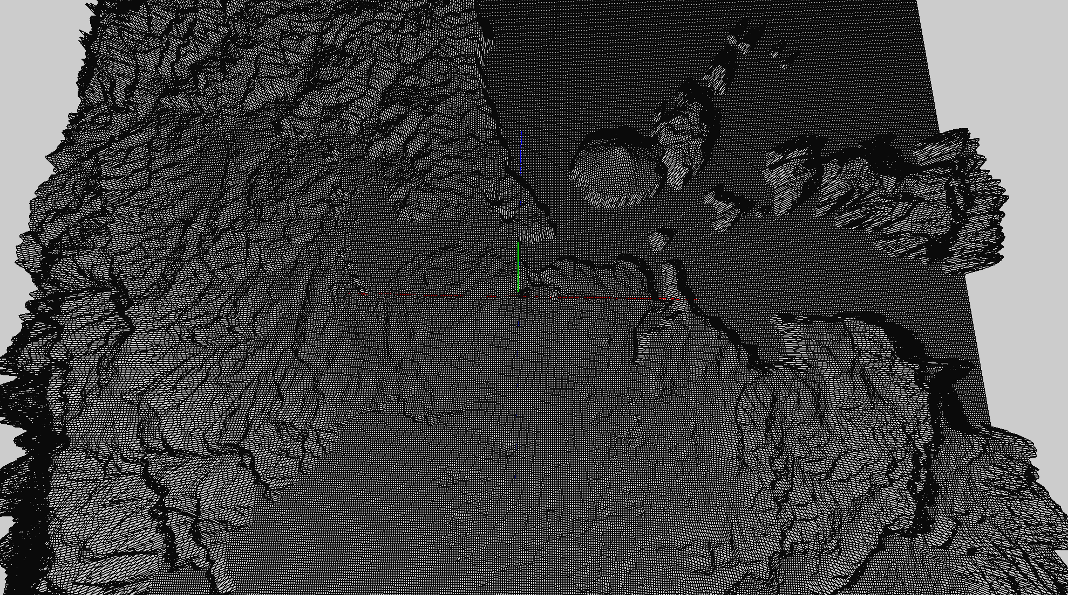 Completed basic terrain generation for both the randomised terrain and height mapped terrain and tested both. The random generation I found quite hard to get to work since I was working from a 1D array of height maps which I had a lot of trouble with. Eventually though I did get it to work and display a proper terrain with random height. When I was working on the height map it took me significantly less time to program since it was already written out on the lecture notes and because I had already worked for ages on the code so I understood it quite easily. I also wasted time with the random generation cause I was "translating" the terrain using smart math when I could have just generated from 0,0 and then translated it across to be in the center. Bellow are some examples of my random generation followed by my height mapped terrain

